Sheet1
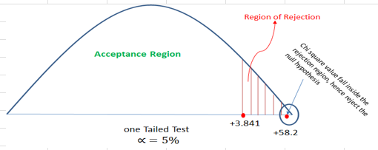
INTRODUCTION TO STATISTIES

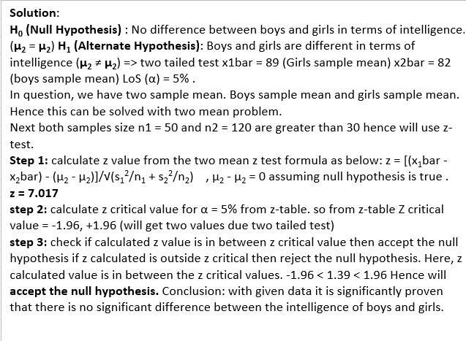
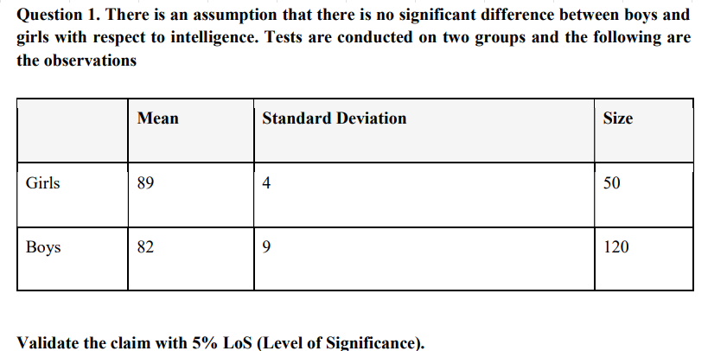
 | ANS.

 |  |  | Mean | Standard deviation | Szie | std sqr/size | Z-test
 |  | Girls | 89 | 4 | 50 | 0.32
 |  | Boys | 82 | 9 | 120 | 0.675
 |  | X-BAR | 7 |  | ROOT | 0.995 | 7.0351758794

 | AT 5% los, Ze = 1.645 < Z
 | Reject HO

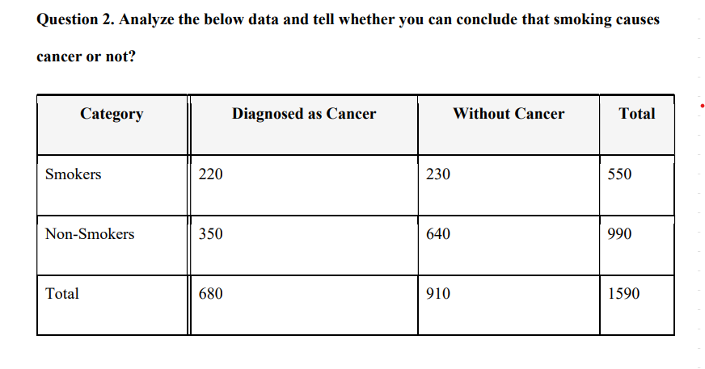

 |  | ANS…

 |  | CATEGORY | DIAGNOSED AS CANCER | WITHOUT CANCER | TOTAL
 |  | SMOKERS | 220 | 230 | 450
 |  | NON-SMOKERS | 350 | 640 | 990
 |  | TOTAL | 570 | 870 | 1440

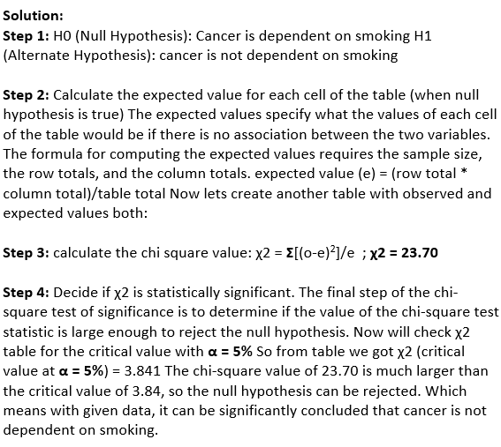
 |  | CATEGORY | DIAGNOSED AS CANCER | WITHOUT CANCER | REMARK (E- VALUES)
 |  | SMOKERS | O = 220,E=570*450/1440 = 178.125 | O = 230,E=870*450/1440=271.875 | 178.125
 |  | NON-SMOKERS | O = 350,E=570*990/1440 = 391.875 | O = 640,E=870*990/1440=598.125 | 391.875
 |  |  |  |  | 271.875
 |  |  |  |  | 598.125

 |  | E
 |  | CATEGORY | DIAGNOSED AS CANCER | WITHOUT CANCER | TOTAL
 |  | SMOKERS | 178.125 | 271.875 | 450
 |  | NON-SMOKERS | 391.875 | 598.125 | 990
 |  | TOTAL | 570 | 870 | 1440

 |  | O | E | O-E | A=(O-E)^2 | X^2=(A/E)
 |  | 220 | 178.125 | 41.875 | 1753.515625 | 9.8442982456
 |  | 350 | 391.875 | -41.875 | 1753.515625 | 4.4746810207
 |  | 230 | 271.875 | -41.875 | 1753.515625 | 6.4497126437
 |  | 640 | 598.125 | 41.875 | 1753.515625 | 2.9316875653
 |  | TOTAL |  |  |  | 23.700379475

